GV
 |  | ▼ | ▼ |  |  |  |  | WEB: | http://www.alpmn.byethost32.com/voilesrc.htm
SailCut_CAD |  | Dévellopement (Aplat) |  |  |  |  |  | Mailto: | alpmn@yahoo.com
 | Calcul des pinces | X | Y
 | GV Développée |  |  | H.Laize | Corde | Pince | P/C
SailCut_CAD - Creux central 15%
Guindant: 1558 mm
Bordure: 591 mm
Chute: 1666 mm
(Initialement: aucun rond / tous bords droits)
 | ===== CPanel : 0 ====
Panel 0 | == CSide : left ==
0 | #0 | 52.0 | 4.85 | H= 509,1
0 | #6 | 40.4 | 513.97
Panel 0 | == CSide : top ==
0 | #0 | 40.4 | 513.97 |  | 421.5 | 0.00
0 | #20 | 461.8 | 513.97
Panel 0 | == CSide : right ==
0 | #0 | 643.0 | 0.00 | H= 514
0 | #6 | 461.8 | 513.97
Panel 0 | == CSide : bottom ==
0 | #0 | 52.0 | 4.85 |  | 591.0 | 5.41 | 0.92%
0 | #1 | 81.6 | 5.11
0 | #2 | 111.1 | 5.38
0 | #3 | 140.7 | 5.41
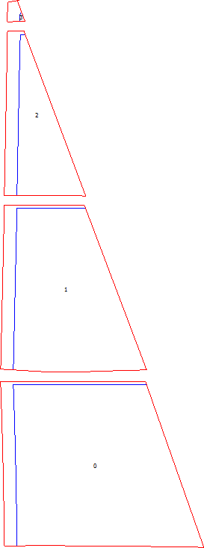
0 | #4 | 170.2 | 5.30
0 | #5 | 199.8 | 5.11
0 | #6 | 229.3 | 4.89
0 | #7 | 258.9 | 4.66
0 | #8 | 288.4 | 4.42
0 | #9 | 318.0 | 4.19
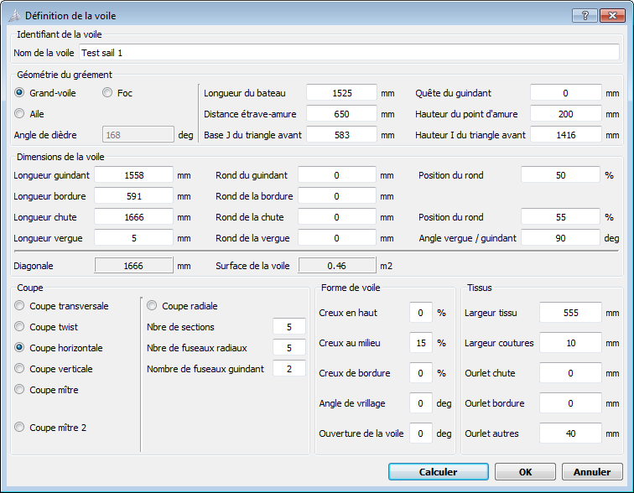
0 | #10 | 347.5 | 3.95
0 | #11 | 377.1 | 3.71
0 | #12 | 406.6 | 3.44
0 | #13 | 436.2 | 3.15
0 | #14 | 465.7 | 2.82
0 | #15 | 495.3 | 2.46
0 | #16 | 524.8 | 2.06
0 | #17 | 554.3 | 1.61
0 | #18 | 583.9 | 1.12
0 | #19 | 613.4 | 0.59
0 | #20 | 643.0 | 0.00
Panel 0 | == CSide : cutLeft ==
0 | #0 | 12.0 | 4.48 | H= 519,5
0 | #6 | 0.0 | 523.97
Panel 0 | == CSide : cutTop ==
0 | #0 | 0.0 | 523.97 |  | 458.3 | 0.00
0 | #20 | 458.3 | 523.97
Panel 0 | == CSide : cutRight ==
0 | #0 | 643.0 | 0.00 | H= 524
0 | #6 | 458.3 | 523.97
Panel 0 | == CSide : cutBottom ==
0 | #0 | 12.0 | 4.48 |  | 631.0 | 5.41
0 | #1 | 81.6 | 5.11
0 | #2 | 111.1 | 5.38
0 | #3 | 140.7 | 5.41
0 | #4 | 170.2 | 5.30
0 | #5 | 199.8 | 5.11
0 | #6 | 229.3 | 4.89
0 | #7 | 258.9 | 4.66
0 | #8 | 288.4 | 4.42
0 | #9 | 318.0 | 4.19
0 | #10 | 347.5 | 3.95
0 | #11 | 377.1 | 3.71
0 | #12 | 406.6 | 3.44
0 | #13 | 436.2 | 3.15
0 | #14 | 465.7 | 2.82
0 | #15 | 495.3 | 2.46
0 | #16 | 524.8 | 2.06
0 | #17 | 554.3 | 1.61
0 | #18 | 583.9 | 1.12
0 | #19 | 613.4 | 0.59
0 | #20 | 643.0 | 0.00
 | ===== CPanel : 1 ====
Panel 1 | == CSide : left ==
1 | #0 | 40.0 | 6.99 | H= 510
1 | #6 | 51.5 | 517.03
Panel 1 | == CSide : top ==
1 | #0 | 51.5 | 517.03 |  | 217.3 | 0.25
1 | #20 | 268.8 | 516.79
Panel 1 | == CSide : right ==
1 | #0 | 461.5 | 6.99 | H= 509,8
1 | #1 | 429.4 | 91.96
1 | #2 | 397.2 | 176.92
1 | #3 | 365.1 | 261.89
1 | #4 | 333.0 | 346.85
1 | #5 | 300.9 | 431.82
1 | #6 | 268.8 | 516.79
Panel 1 | == CSide : bottom ==
1 | #0 | 40.0 | 6.99 |  | 421.5 | 6.99 | 1.66%
1 | #1 | 66.5 | 5.41
1 | #2 | 90.6 | 3.84
1 | #3 | 113.0 | 2.45
1 | #4 | 134.3 | 1.36
1 | #5 | 154.8 | 0.59
1 | #6 | 175.0 | 0.14
1 | #7 | 195.0 | 0.00
1 | #8 | 214.9 | 0.11
1 | #9 | 235.0 | 0.43
1 | #10 | 255.1 | 0.90
1 | #11 | 275.4 | 1.47
1 | #12 | 295.8 | 2.12
1 | #13 | 316.4 | 2.79
1 | #14 | 337.0 | 3.47
1 | #15 | 357.6 | 4.14
1 | #16 | 378.3 | 4.78
1 | #17 | 399.1 | 5.39
1 | #18 | 419.9 | 5.95
1 | #19 | 440.7 | 6.47
1 | #20 | 461.5 | 6.99
Panel 1 | == CSide : cutLeft ==
1 | #0 | 0.0 | 9.38 | H= 517,7
1 | #6 | 11.7 | 527.08
Panel 1 | == CSide : cutTop ==
1 | #0 | 11.7 | 527.08 |  | 253.3 | 0.29
1 | #20 | 265.0 | 526.79
Panel 1 | == CSide : cutRight ==
1 | #0 | 461.5 | 6.99 | H= 519,8
1 | #6 | 265.0 | 526.79
Panel 1 | == CSide : cutBottom ==
1 | #0 | 0.0 | 9.38 |  | 461.5 | 9.38
1 | #1 | 66.5 | 5.41
1 | #2 | 90.6 | 3.84
1 | #3 | 113.0 | 2.45
1 | #4 | 134.3 | 1.36
1 | #5 | 154.8 | 0.59
1 | #6 | 175.0 | 0.14
1 | #7 | 195.0 | 0.00
1 | #8 | 214.9 | 0.11
1 | #9 | 235.0 | 0.43
1 | #10 | 255.1 | 0.90
1 | #11 | 275.4 | 1.47
1 | #12 | 295.8 | 2.12
1 | #13 | 316.4 | 2.79
1 | #14 | 337.0 | 3.47
1 | #15 | 357.6 | 4.14
1 | #16 | 378.3 | 4.78
1 | #17 | 399.1 | 5.39
1 | #18 | 419.9 | 5.95
1 | #19 | 440.7 | 6.47
1 | #20 | 461.5 | 6.99
 | ===== CPanel : 2 ====
Panel 2 | == CSide : left ==
2 | #0 | 40.0 | 0.12 | H= 510,1
2 | #6 | 49.3 | 510.20
Panel 2 | == CSide : top ==
2 | #0 | 49.3 | 510.20 |  | 15.9 | 0.06
2 | #20 | 65.2 | 510.14
Panel 2 | == CSide : right ==
2 | #0 | 257.3 | 0.12 | H= 510
2 | #6 | 65.2 | 510.14
Panel 2 | == CSide : bottom ==
2 | #0 | 40.0 | 0.12 |  | 217.3 | 0.20 | 0.09%
2 | #1 | 53.9 | 0.16
2 | #2 | 66.2 | 0.19
2 | #3 | 77.6 | 0.23
2 | #4 | 88.4 | 0.26
2 | #5 | 99.0 | 0.28
2 | #6 | 109.4 | 0.30
2 | #7 | 119.7 | 0.31
2 | #8 | 130.1 | 0.31
2 | #9 | 140.6 | 0.31
2 | #10 | 151.1 | 0.30
2 | #11 | 161.6 | 0.29
2 | #12 | 172.2 | 0.28
2 | #13 | 182.8 | 0.26
2 | #14 | 193.4 | 0.25
2 | #15 | 204.0 | 0.23
2 | #16 | 214.6 | 0.21
2 | #17 | 225.3 | 0.19
2 | #18 | 235.9 | 0.16
2 | #19 | 246.6 | 0.14
2 | #20 | 257.3 | 0.12
Panel 2 | == CSide : cutLeft ==
2 | #0 | 0.0 | 0.00 | H= 520,3
2 | #6 | 9.5 | 520.34
Panel 2 | == CSide : cutTop ==
2 | #0 | 9.5 | 520.34 |  | 52.0 | 0.19
2 | #20 | 61.5 | 520.16
Panel 2 | == CSide : cutRight ==
2 | #0 | 257.3 | 0.12 | H= 520
2 | #6 | 61.5 | 520.16
Panel 2 | == CSide : cutBottom ==
2 | #0 | 0.0 | 0.00 |  | 257.3 | 0.31
2 | #1 | 53.9 | 0.16
2 | #2 | 66.2 | 0.19
2 | #3 | 77.6 | 0.23
2 | #4 | 88.4 | 0.26
2 | #5 | 99.0 | 0.28
2 | #6 | 109.4 | 0.30
2 | #7 | 119.7 | 0.31
2 | #8 | 130.1 | 0.31
2 | #9 | 140.6 | 0.31
2 | #10 | 151.1 | 0.30
2 | #11 | 161.6 | 0.29
2 | #12 | 172.2 | 0.28
2 | #13 | 182.8 | 0.26
2 | #14 | 193.4 | 0.25
2 | #15 | 204.0 | 0.23
2 | #16 | 214.6 | 0.21
2 | #17 | 225.3 | 0.19
2 | #18 | 235.9 | 0.16
2 | #19 | 246.6 | 0.14
2 | #20 | 257.3 | 0.12
 | ===== CPanel : 3 ====
Panel 3 | == CSide : left ==
3 | #0 | 40.0 | 0.35 | H= 28
3 | #6 | 40.0 | 28.37
Panel 3 | == CSide : top ==
3 | #0 | 40.0 | 28.37 |  | 5.0 | 1.00
3 | #20 | 45.0 | 29.37
Panel 3 | == CSide : right ==
3 | #0 | 55.9 | 0.35 | H= 29
3 | #6 | 45.0 | 29.37
Panel 0 | == CSide : bottom ==
3 | #0 | 40.0 | 0.35 |  | 15.9 | 0.02 | 0.11%
3 | #1 | 40.8 | 0.36
3 | #2 | 41.6 | 0.37
3 | #3 | 42.4 | 0.37
3 | #4 | 43.2 | 0.37
3 | #5 | 44.0 | 0.37
3 | #6 | 44.8 | 0.37
3 | #7 | 45.6 | 0.37
3 | #8 | 46.4 | 0.37
3 | #9 | 47.2 | 0.37
3 | #10 | 48.0 | 0.37
3 | #11 | 48.8 | 0.37
3 | #12 | 49.5 | 0.37
3 | #13 | 50.3 | 0.37
3 | #14 | 51.1 | 0.37
3 | #15 | 51.9 | 0.37
3 | #16 | 52.7 | 0.37
3 | #17 | 53.5 | 0.36
3 | #18 | 54.3 | 0.36
3 | #19 | 55.1 | 0.36
3 | #20 | 55.9 | 0.35
Panel 3 | == CSide : cutLeft ==
3 | #0 | 0.0 | 0.00 | H= 61,2
3 | #6 | 0.0 | 61.17
Panel 3 | == CSide : cutTop ==
3 | #0 | 0.0 | 61.17 |  | 30.7 | 7.28
3 | #20 | 30.7 | 67.31
Panel 3 | == CSide : cutRight ==
3 | #0 | 55.9 | 0.35 | H= 67
3 | #6 | 30.7 | 67.31
Panel 3 | == CSide : cutBottom ==
3 | #0 | 0.0 | 0.00 |  | 55.9 | 0.37
3 | #1 | 40.8 | 0.36
3 | #2 | 41.6 | 0.37
3 | #3 | 42.4 | 0.37
3 | #4 | 43.2 | 0.37
3 | #5 | 44.0 | 0.37
3 | #6 | 44.8 | 0.37
3 | #7 | 45.6 | 0.37
3 | #8 | 46.4 | 0.37
3 | #9 | 47.2 | 0.37
3 | #10 | 48.0 | 0.37
3 | #11 | 48.8 | 0.37
3 | #12 | 49.5 | 0.37
3 | #13 | 50.3 | 0.37
3 | #14 | 51.1 | 0.37
3 | #15 | 51.9 | 0.37
3 | #16 | 52.7 | 0.37
3 | #17 | 53.5 | 0.36
3 | #18 | 54.3 | 0.36
3 | #19 | 55.1 | 0.36
3 | #20 | 55.9 | 0.35

Panel 4 | == CSide : left ==
4 | #0 | 40.0 | 0.04 | H= 98,2
4 | #6 | 42.7 | 98.23
Panel 4 | == CSide : top ==
4 | #0 | 42.7 | 98.23 |  | 5.0 | 0.98
4 | #1 | 43.0 | 98.27
4 | #2 | 43.2 | 98.32
4 | #3 | 43.5 | 98.37
4 | #4 | 43.7 | 98.42
4 | #5 | 44.0 | 98.47
4 | #6 | 44.2 | 98.51
4 | #7 | 44.5 | 98.56
4 | #8 | 44.7 | 98.61
4 | #9 | 45.0 | 98.66
4 | #10 | 45.2 | 98.71
4 | #11 | 45.5 | 98.76
4 | #12 | 45.7 | 98.81
4 | #13 | 46.0 | 98.86
4 | #14 | 46.2 | 98.91
4 | #15 | 46.5 | 98.95
4 | #16 | 46.7 | 99.00
4 | #17 | 47.0 | 99.05
4 | #18 | 47.2 | 99.10
4 | #19 | 47.5 | 99.15
4 | #20 | 47.7 | 99.20
Panel 4 | == CSide : right ==
4 | #0 | 85.2 | 0.04 | H= 99,2
4 | #6 | 47.7 | 99.20
Panel 4 | == CSide : bottom ==
4 | #0 | 40.0 | 0.04 |  | 45.1 | 0.04 | 0.09%
4 | #1 | 43.3 | 0.03
4 | #2 | 46.0 | 0.01
4 | #3 | 48.4 | 0.01
4 | #4 | 50.6 | 0.00
4 | #5 | 52.7 | 0.00
4 | #6 | 54.8 | 0.00
4 | #7 | 56.9 | 0.00
4 | #8 | 59.1 | 0.00
4 | #9 | 61.2 | 0.01
4 | #10 | 63.4 | 0.01
4 | #11 | 65.5 | 0.01
4 | #12 | 67.7 | 0.02
4 | #13 | 69.9 | 0.02
4 | #14 | 72.0 | 0.02
4 | #15 | 74.2 | 0.03
4 | #16 | 76.4 | 0.03
4 | #17 | 78.6 | 0.03
4 | #18 | 80.8 | 0.04
4 | #19 | 83.0 | 0.04
4 | #20 | 85.2 | 0.04
Panel 4 | == CSide : cutLeft ==
4 | #0 | 0.0 | 0.23 | H= 131,5
4 | #6 | 3.5 | 131.70
Panel 4 | == CSide : cutTop ==
4 | #0 | 3.5 | 131.70 |  | 29.9 | 6.58
4 | #1 | 35.7 | 137.62
4 | #2 | 35.7 | 137.62
4 | #3 | 35.9 | 137.65
4 | #4 | 36.1 | 137.69
4 | #5 | 36.3 | 137.74
4 | #6 | 36.6 | 137.79
4 | #7 | 36.8 | 137.83
4 | #8 | 37.1 | 137.88
4 | #9 | 37.3 | 137.93
4 | #10 | 37.6 | 137.97
4 | #11 | 37.8 | 138.02
4 | #12 | 38.0 | 138.06
4 | #13 | 38.2 | 138.11
4 | #14 | 38.5 | 138.15
4 | #15 | 38.7 | 138.20
4 | #16 | 38.9 | 138.24
4 | #17 | 39.1 | 138.28
4 | #18 | 33.4 | 137.13
4 | #19 | 33.4 | 137.13
4 | #20 | 33.4 | 137.13
Panel 4 | == CSide : cutRight ==
4 | #0 | 85.2 | 0.04 | H= 137,1
4 | #6 | 33.4 | 137.13
Panel 4 | == CSide : cutBottom ==
4 | #0 | 0.0 | 0.23 |  | 85.2 | 0.23
4 | #1 | 43.3 | 0.03
4 | #2 | 46.0 | 0.01
4 | #3 | 48.4 | 0.01
4 | #4 | 50.6 | 0.00
4 | #5 | 52.7 | 0.00
4 | #6 | 54.8 | 0.00
4 | #7 | 56.9 | 0.00
4 | #8 | 59.1 | 0.00
4 | #9 | 61.2 | 0.01
4 | #10 | 63.4 | 0.01
4 | #11 | 65.5 | 0.01
4 | #12 | 67.7 | 0.02
4 | #13 | 69.9 | 0.02
4 | #14 | 72.0 | 0.02
4 | #15 | 74.2 | 0.03
4 | #16 | 76.4 | 0.03
4 | #17 | 78.6 | 0.03
4 | #18 | 80.8 | 0.04
4 | #19 | 83.0 | 0.04
4 | #20 | 85.2 | 0.04

