GV
 |  | ▼ | ▼ |  |  |  |  | WEB: | http://www.alpmn.byethost32.com/voilesrc.htm
SailCut_CAD |  | Dévellopement (Aplat) |  |  |  |  |  | Mailto: | alpmn@yahoo.com
 | Calcul des pinces | X | Y
 | GV Développée |  |  | H.Laize | Corde | Pince | P/C
SailCut_CAD - 15% de creux sur toute la voile
Guindant: 1558 mm
Bordure: 591 mm
Chute: 1666 mm
(Initialement: aucun rond / tous bords droits)
 | ===== CPanel : 0 ====
Panel 0 | == CSide : left ==
0 | #0 | 40.0 | 5.23 | H= 364,5
0 | #6 | 46.0 | 369.71
Panel 0 | == CSide : top ==
0 | #0 | 46.0 | 369.71 |  | 481.0 | 0.00
0 | #20 | 527.0 | 369.71
Panel 0 | == CSide : right ==
0 | #0 | 664.7 | 4.84 | H= 364,9
0 | #6 | 527.0 | 369.71
Panel 0 | == CSide : bottom ==
0 | #0 | 40.0 | 5.23 |  | 624.7 | 5.23 | 0.84%
0 | #1 | 76.4 | 4.59
0 | #2 | 111.1 | 3.96
0 | #3 | 144.2 | 3.34
0 | #4 | 176.1 | 2.71
0 | #5 | 207.0 | 2.11
0 | #6 | 237.3 | 1.54
0 | #7 | 267.1 | 1.03
0 | #8 | 296.8 | 0.60
0 | #9 | 326.3 | 0.27
0 | #10 | 355.9 | 0.07
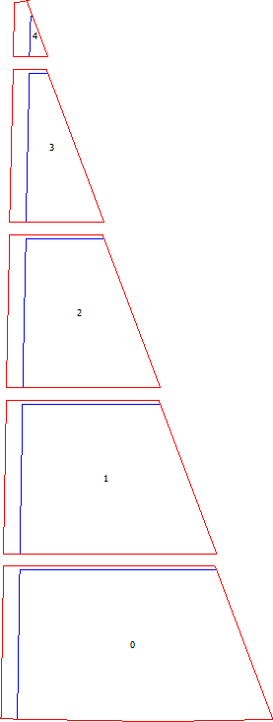
0 | #11 | 385.7 | 0.00
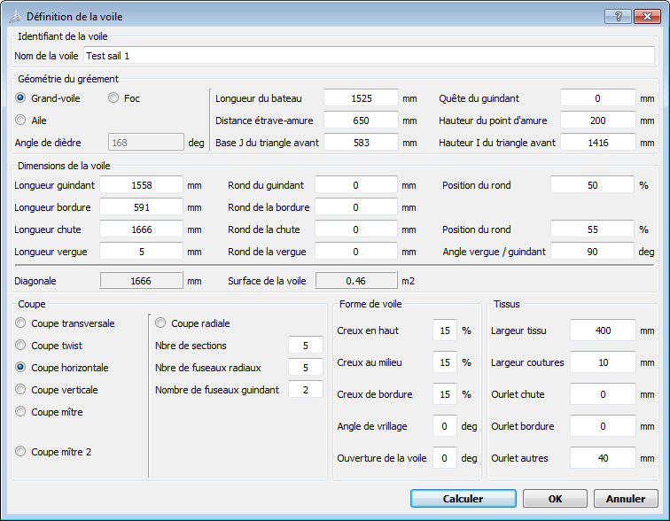
0 | #12 | 415.7 | 0.07
0 | #13 | 446.0 | 0.29
0 | #14 | 476.6 | 0.65
0 | #15 | 507.4 | 1.14
0 | #16 | 538.6 | 1.74
0 | #17 | 569.9 | 2.44
0 | #18 | 601.4 | 3.20
0 | #19 | 633.0 | 4.01
0 | #20 | 664.7 | 4.84
Panel 0 | == CSide : cutLeft ==
0 | #0 | 0.0 | 5.93 | H= 373,8
0 | #6 | 6.2 | 379.71
Panel 0 | == CSide : cutTop ==
0 | #0 | 6.2 | 379.71 |  | 517.1 | 0.00
0 | #20 | 523.2 | 379.71
Panel 0 | == CSide : cutRight ==
0 | #0 | 664.7 | 4.84 | H= 374,9
0 | #6 | 523.2 | 379.71
Panel 0 | == CSide : cutBottom ==
0 | #0 | 0.0 | 5.93 |  | 664.7 | 5.93
0 | #1 | 76.4 | 4.59
0 | #2 | 111.1 | 3.96
0 | #3 | 144.2 | 3.34
0 | #4 | 176.1 | 2.71
0 | #5 | 207.0 | 2.11
0 | #6 | 237.3 | 1.54
0 | #7 | 267.1 | 1.03
0 | #8 | 296.8 | 0.60
0 | #9 | 326.3 | 0.27
0 | #10 | 355.9 | 0.07
0 | #11 | 385.7 | 0.00
0 | #12 | 415.7 | 0.07
0 | #13 | 446.0 | 0.29
0 | #14 | 476.6 | 0.65
0 | #15 | 507.4 | 1.14
0 | #16 | 538.6 | 1.74
0 | #17 | 569.9 | 2.44
0 | #18 | 601.4 | 3.20
0 | #19 | 633.0 | 4.01
0 | #20 | 664.7 | 4.84
 | ===== CPanel : 1 ====
Panel 1 | == CSide : left ==
1 | #0 | 40.0 | 0.25 | H= 365
1 | #6 | 47.0 | 365.25
Panel 1 | == CSide : top ==
1 | #0 | 47.0 | 365.25 |  | 336.6 | 0.01
1 | #20 | 383.6 | 365.24
Panel 1 | == CSide : right ==
1 | #0 | 521.0 | 0.25 | H= 365
1 | #1 | 498.1 | 61.08
1 | #2 | 475.2 | 121.91
1 | #3 | 452.3 | 182.74
1 | #4 | 429.4 | 243.58
1 | #5 | 406.5 | 304.41
1 | #6 | 383.6 | 365.24
Panel 1 | == CSide : bottom ==
1 | #0 | 40.0 | 0.25 |  | 481.0 | 0.31 | 0.07%
1 | #1 | 70.0 | 0.15
1 | #2 | 97.6 | 0.06
1 | #3 | 123.3 | 0.02
1 | #4 | 147.7 | 0.00
1 | #5 | 171.2 | 0.02
1 | #6 | 194.2 | 0.05
1 | #7 | 217.0 | 0.10
1 | #8 | 239.7 | 0.15
1 | #9 | 262.4 | 0.20
1 | #10 | 285.3 | 0.24
1 | #11 | 308.4 | 0.27
1 | #12 | 331.6 | 0.30
1 | #13 | 355.0 | 0.31
1 | #14 | 378.5 | 0.31
1 | #15 | 402.1 | 0.31
1 | #16 | 425.8 | 0.31
1 | #17 | 449.5 | 0.30
1 | #18 | 473.3 | 0.28
1 | #19 | 497.2 | 0.26
1 | #20 | 521.0 | 0.25
Panel 1 | == CSide : cutLeft ==
1 | #0 | 0.0 | 0.38 | H= 374,9
1 | #6 | 7.2 | 375.25
Panel 1 | == CSide : cutTop ==
1 | #0 | 7.2 | 375.25 |  | 372.6 | 0.01
1 | #20 | 379.8 | 375.24
Panel 1 | == CSide : cutRight ==
1 | #0 | 521.0 | 0.25 | H= 375
1 | #6 | 379.8 | 375.24
Panel 1 | == CSide : cutBottom ==
1 | #0 | 0.0 | 0.38 |  | 521.0 | 0.38
1 | #1 | 70.0 | 0.15
1 | #2 | 97.6 | 0.06
1 | #3 | 123.3 | 0.02
1 | #4 | 147.7 | 0.00
1 | #5 | 171.2 | 0.02
1 | #6 | 194.2 | 0.05
1 | #7 | 217.0 | 0.10
1 | #8 | 239.7 | 0.15
1 | #9 | 262.4 | 0.20
1 | #10 | 285.3 | 0.24
1 | #11 | 308.4 | 0.27
1 | #12 | 331.6 | 0.30
1 | #13 | 355.0 | 0.31
1 | #14 | 378.5 | 0.31
1 | #15 | 402.1 | 0.31
1 | #16 | 425.8 | 0.31
1 | #17 | 449.5 | 0.30
1 | #18 | 473.3 | 0.28
1 | #19 | 497.2 | 0.26
1 | #20 | 521.0 | 0.25
 | ===== CPanel : 2 ====
Panel 2 | == CSide : left ==
2 | #0 | 40.0 | 0.13 | H= 365
2 | #6 | 48.0 | 365.13
Panel 2 | == CSide : top ==
2 | #0 | 48.0 | 365.13 |  | 191.2 | 0.00
2 | #20 | 239.2 | 365.13
Panel 2 | == CSide : right ==
2 | #0 | 376.6 | 0.13 | H= 365
2 | #6 | 239.2 | 365.13
Panel 2 | == CSide : bottom ==
2 | #0 | 40.0 | 0.13 |  | 336.6 | 0.13 | 0.04%
2 | #1 | 62.3 | 0.07
2 | #2 | 82.0 | 0.03
2 | #3 | 100.0 | 0.00
2 | #4 | 116.9 | 0.00
2 | #5 | 133.1 | 0.01
2 | #6 | 149.0 | 0.03
2 | #7 | 164.9 | 0.05
2 | #8 | 180.7 | 0.07
2 | #9 | 196.7 | 0.08
2 | #10 | 212.7 | 0.10
2 | #11 | 228.8 | 0.11
2 | #12 | 245.1 | 0.11
2 | #13 | 261.4 | 0.12
2 | #14 | 277.7 | 0.12
2 | #15 | 294.1 | 0.13
2 | #16 | 310.6 | 0.13
2 | #17 | 327.0 | 0.13
2 | #18 | 343.5 | 0.13
2 | #19 | 360.0 | 0.13
2 | #20 | 376.6 | 0.13
Panel 2 | == CSide : cutLeft ==
2 | #0 | 0.0 | 0.25 | H= 374,9
2 | #6 | 8.2 | 375.13
Panel 2 | == CSide : cutTop ==
2 | #0 | 8.2 | 375.13 |  | 227.2 | 0.00
2 | #20 | 235.4 | 375.13
Panel 2 | == CSide : cutRight ==
2 | #0 | 376.6 | 0.13 | H= 375
2 | #6 | 235.4 | 375.13
Panel 2 | == CSide : cutBottom ==
2 | #0 | 0.0 | 0.25 |  | 376.6 | 0.25
2 | #1 | 62.3 | 0.07
2 | #2 | 82.0 | 0.03
2 | #3 | 100.0 | 0.00
2 | #4 | 116.9 | 0.00
2 | #5 | 133.1 | 0.01
2 | #6 | 149.0 | 0.03
2 | #7 | 164.9 | 0.05
2 | #8 | 180.7 | 0.07
2 | #9 | 196.7 | 0.08
2 | #10 | 212.7 | 0.10
2 | #11 | 228.8 | 0.11
2 | #12 | 245.1 | 0.11
2 | #13 | 261.4 | 0.12
2 | #14 | 277.7 | 0.12
2 | #15 | 294.1 | 0.13
2 | #16 | 310.6 | 0.13
2 | #17 | 327.0 | 0.13
2 | #18 | 343.5 | 0.13
2 | #19 | 360.0 | 0.13
2 | #20 | 376.6 | 0.13
 | ===== CPanel : 3 ====
Panel 3 | == CSide : left ==
3 | #0 | 40.0 | 0.05 | H= 365
3 | #6 | 48.6 | 365.02
Panel 3 | == CSide : top ==
3 | #0 | 48.6 | 365.02 |  | 45.1 | 0.00
3 | #20 | 93.8 | 365.03
Panel 3 | == CSide : right ==
3 | #0 | 231.2 | 0.05 | H= 365
3 | #6 | 93.8 | 365.03
Panel 0 | == CSide : bottom ==
3 | #0 | 40.0 | 0.05 |  | 191.2 | 0.05 | 0.02%
3 | #1 | 53.2 | 0.02
3 | #2 | 64.6 | 0.01
3 | #3 | 74.8 | 0.00
3 | #4 | 84.2 | 0.00
3 | #5 | 93.4 | 0.00
3 | #6 | 102.4 | 0.01
3 | #7 | 111.3 | 0.02
3 | #8 | 120.4 | 0.02
3 | #9 | 129.4 | 0.03
3 | #10 | 138.5 | 0.03
3 | #11 | 147.7 | 0.03
3 | #12 | 156.9 | 0.04
3 | #13 | 166.1 | 0.04
3 | #14 | 175.4 | 0.04
3 | #15 | 184.6 | 0.04
3 | #16 | 193.9 | 0.04
3 | #17 | 203.2 | 0.04
3 | #18 | 212.5 | 0.05
3 | #19 | 221.9 | 0.05
3 | #20 | 231.2 | 0.05
Panel 3 | == CSide : cutLeft ==
3 | #0 | 0.0 | 0.12 | H= 374,9
3 | #6 | 8.8 | 375.02
Panel 3 | == CSide : cutTop ==
3 | #0 | 8.8 | 375.02 |  | 81.2 | 0.00
3 | #20 | 90.0 | 375.03
Panel 3 | == CSide : cutRight ==
3 | #0 | 231.2 | 0.05 | H= 375
3 | #6 | 90.0 | 375.03
Panel 3 | == CSide : cutBottom ==
3 | #0 | 0.0 | 0.12 |  | 231.2 | 0.12
3 | #1 | 53.2 | 0.02
3 | #2 | 64.6 | 0.01
3 | #3 | 74.8 | 0.00
3 | #4 | 84.2 | 0.00
3 | #5 | 93.4 | 0.00
3 | #6 | 102.4 | 0.01
3 | #7 | 111.3 | 0.02
3 | #8 | 120.4 | 0.02
3 | #9 | 129.4 | 0.03
3 | #10 | 138.5 | 0.03
3 | #11 | 147.7 | 0.03
3 | #12 | 156.9 | 0.04
3 | #13 | 166.1 | 0.04
3 | #14 | 175.4 | 0.04
3 | #15 | 184.6 | 0.04
3 | #16 | 193.9 | 0.04
3 | #17 | 203.2 | 0.04
3 | #18 | 212.5 | 0.05
3 | #19 | 221.9 | 0.05
3 | #20 | 231.2 | 0.05
 | ===== CPanel : 4 ====
Panel 4 | == CSide : left ==
4 | #0 | 40.0 | 0.04 | H= 98,2
4 | #6 | 42.7 | 98.23
Panel 4 | == CSide : top ==
4 | #0 | 42.7 | 98.23 |  | 5.0 | 0.98
4 | #1 | 43.0 | 98.27
4 | #2 | 43.2 | 98.32
4 | #3 | 43.5 | 98.37
4 | #4 | 43.7 | 98.42
4 | #5 | 44.0 | 98.47
4 | #6 | 44.2 | 98.51
4 | #7 | 44.5 | 98.56
4 | #8 | 44.7 | 98.61
4 | #9 | 45.0 | 98.66
4 | #10 | 45.2 | 98.71
4 | #11 | 45.5 | 98.76
4 | #12 | 45.7 | 98.81
4 | #13 | 46.0 | 98.86
4 | #14 | 46.2 | 98.91
4 | #15 | 46.5 | 98.95
4 | #16 | 46.7 | 99.00
4 | #17 | 47.0 | 99.05
4 | #18 | 47.2 | 99.10
4 | #19 | 47.5 | 99.15
4 | #20 | 47.7 | 99.20
Panel 4 | == CSide : right ==
4 | #0 | 85.2 | 0.04 | H= 99,2
4 | #6 | 47.7 | 99.20
Panel 4 | == CSide : bottom ==
4 | #0 | 40.0 | 0.04 |  | 45.1 | 0.04 | 0.09%
4 | #1 | 43.3 | 0.03
4 | #2 | 46.0 | 0.01
4 | #3 | 48.4 | 0.01
4 | #4 | 50.6 | 0.00
4 | #5 | 52.7 | 0.00
4 | #6 | 54.8 | 0.00
4 | #7 | 56.9 | 0.00
4 | #8 | 59.1 | 0.00
4 | #9 | 61.2 | 0.01
4 | #10 | 63.4 | 0.01
4 | #11 | 65.5 | 0.01
4 | #12 | 67.7 | 0.02
4 | #13 | 69.9 | 0.02
4 | #14 | 72.0 | 0.02
4 | #15 | 74.2 | 0.03
4 | #16 | 76.4 | 0.03
4 | #17 | 78.6 | 0.03
4 | #18 | 80.8 | 0.04
4 | #19 | 83.0 | 0.04
4 | #20 | 85.2 | 0.04
Panel 4 | == CSide : cutLeft ==
4 | #0 | 0.0 | 0.23 | H= 131,5
4 | #6 | 3.5 | 131.70
Panel 4 | == CSide : cutTop ==
4 | #0 | 3.5 | 131.70 |  | 29.9 | 6.58
4 | #1 | 35.7 | 137.62
4 | #2 | 35.7 | 137.62
4 | #3 | 35.9 | 137.65
4 | #4 | 36.1 | 137.69
4 | #5 | 36.3 | 137.74
4 | #6 | 36.6 | 137.79
4 | #7 | 36.8 | 137.83
4 | #8 | 37.1 | 137.88
4 | #9 | 37.3 | 137.93
4 | #10 | 37.6 | 137.97
4 | #11 | 37.8 | 138.02
4 | #12 | 38.0 | 138.06
4 | #13 | 38.2 | 138.11
4 | #14 | 38.5 | 138.15
4 | #15 | 38.7 | 138.20
4 | #16 | 38.9 | 138.24
4 | #17 | 39.1 | 138.28
4 | #18 | 33.4 | 137.13
4 | #19 | 33.4 | 137.13
4 | #20 | 33.4 | 137.13
Panel 4 | == CSide : cutRight ==
4 | #0 | 85.2 | 0.04 | H= 137,1
4 | #6 | 33.4 | 137.13
Panel 4 | == CSide : cutBottom ==
4 | #0 | 0.0 | 0.23 |  | 85.2 | 0.23
4 | #1 | 43.3 | 0.03
4 | #2 | 46.0 | 0.01
4 | #3 | 48.4 | 0.01
4 | #4 | 50.6 | 0.00
4 | #5 | 52.7 | 0.00
4 | #6 | 54.8 | 0.00
4 | #7 | 56.9 | 0.00
4 | #8 | 59.1 | 0.00
4 | #9 | 61.2 | 0.01
4 | #10 | 63.4 | 0.01
4 | #11 | 65.5 | 0.01
4 | #12 | 67.7 | 0.02
4 | #13 | 69.9 | 0.02
4 | #14 | 72.0 | 0.02
4 | #15 | 74.2 | 0.03
4 | #16 | 76.4 | 0.03
4 | #17 | 78.6 | 0.03
4 | #18 | 80.8 | 0.04
4 | #19 | 83.0 | 0.04
4 | #20 | 85.2 | 0.04

